Golfzon County Co Ltd
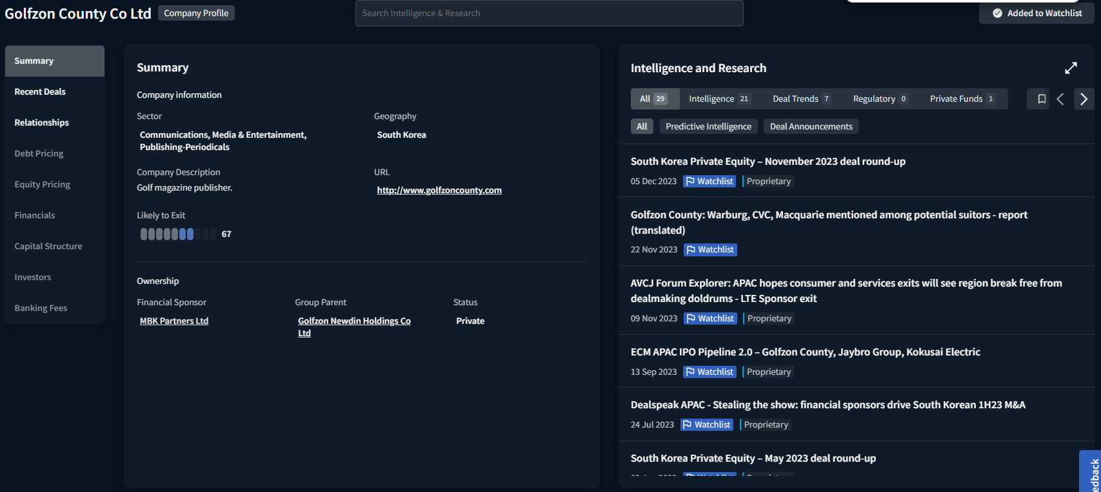

Recent Deals
Deal Id | Date | Status | Target | Acquirer | Divestor | Geography | Sector | Deal Value ($m) | Lead Banks
1368724 | 23-May-23 | Seeking buyer | Golfzon County Co Ltd (70%) | Undisclosed Acquirer | MBK Partners Ltd | South Korea | Publishing | 1,063 | Morgan Stanley
1289165 | 3-Feb-22 | Completed | Birdwood Golf Club (100%) | Golfzon Newdin Holdings Co Ltd, Golfzon County Co Ltd |  | South Korea | Leisure & Recreation | 133
1274883 | 1-Jul-21 | Completed | Golf Clubs (Golfzon County Gallery in Jincheon, South Korea, 100%) | Golfzon County Co Ltd | Shinhan Alternative Investment Management Inc | South Korea | Leisure & Recreation | 115
1263075 | 31-Mar-21 | Completed | Golfzon County Co Ltd (50%) | Golfzon Newdin Holdings Co Ltd |  | South Korea | Publishing | 44
1212303 | 29-Jul-20 | Completed | Greenland Co Ltd (100%) | Golfzon County Co Ltd |  | South Korea | Leisure & Recreation | 45 | KPMG Corporate Finance LLC
1200429 | 21-Jan-20 | Completed | Namyang Leisure (100%) | Golfzon Newdin Holdings Co Ltd, Golfzon County Co Ltd |  | South Korea | Leisure & Recreation | 56
1411985 | 19-Dec-19 | Completed | Namyang Leisure (100%) | Golfzon Newdin Holdings Co Ltd, Golfzon County Co Ltd | Hoemyung Co Ltd | South Korea | Leisure & Recreation
1398028 | 22-Oct-19 | Completed | Golfzon County Co Ltd (100%) | MBK Partners Ltd, Golfzon Newdin Holdings Co Ltd | Golfzon Newdin Holdings Co Ltd | South Korea | Publishing
1177650 | 11-Jul-19 | Completed | Hanall Co Ltd (87.3013%) | Golfzon Newdin Holdings Co Ltd, Golfzon County Co Ltd |  | South Korea | Leisure & Recreation | 23
1155062 | 26-Dec-18 | Completed | Hanall Co Ltd (7.865%) | Undisclosed Acquirer | Haevichi Country Club Co Ltd | South Korea | Leisure & Recreation | 7
1156865 | 30-Oct-18 | Completed | Gumi Development Co Ltd (100%) | Golfzon Newdin Holdings Co Ltd, MBK Partners Ltd |  | South Korea | Leisure & Recreation | 88
1387098 | 20-Apr-18 | Completed | Lake Hills Suncheon (100%) | Golfzon Newdin Holdings Co Ltd, Golfzon County Co Ltd |  | South Korea | Leisure & Recreation
1098115 | 6-Apr-18 | Completed | Golf Clubs (Lake Hills Suncheon Country Club , 100%) | Golfzon Newdin Holdings Co Ltd, MBK Partners Ltd | Lake Hills Resort Group | South Korea | Leisure & Recreation | 69 | KPMG Corporate Finance LLC
1122173 | 30-Jan-18 | Completed | Golfzon County Co Ltd (49.999%) | MBK Partners Ltd |  | South Korea | Publishing | 106
1022347 | 12-Apr-16 | Completed | Hanall Co Ltd (7.86%) | Undisclosed Acquirer | Haevichi Country Club Co Ltd | South Korea | Leisure & Recreation | 9
922269 | 13-Jun-14 | Completed | Golf Clubs (West Pine CC, 100%) | Golfzonnewdin Co Ltd, Golfzon County Co Ltd | T Tops Co Ltd | South Korea | Leisure & Recreation | 55

TASAKI & Co Ltd
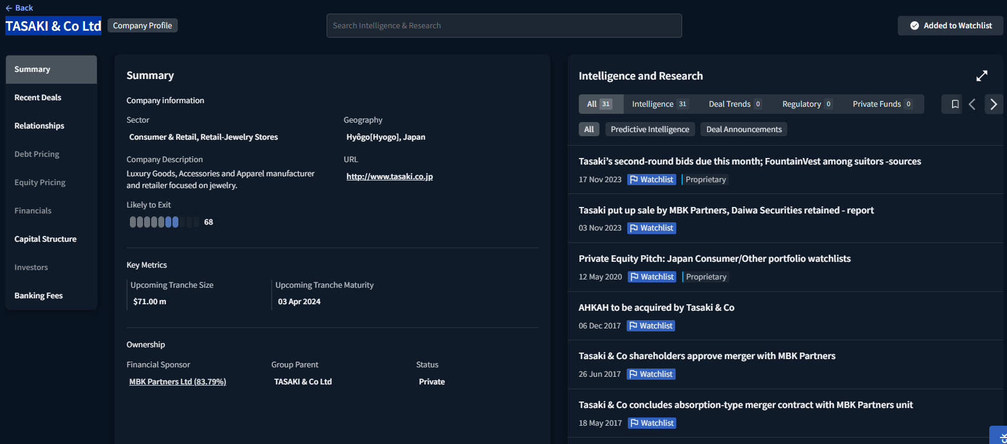

Recent Deals
Deal Id | Date | Status | Target | Acquirer | Divestor | Geography | Sector | Deal Value ($m) | Lead Banks
1107199 | 4-Dec-17 | Completed | Ahkah Co Ltd (100%) | TASAKI & Co Ltd |  | Japan | Retail
1071055 | 24-Mar-17 | Completed | TASAKI & Co Ltd (83.79%) | MBK Partners Ltd |  | Japan | Retail | 306 | Daiwa Securities Co Ltd, PricewaterhouseCoopers LLP
969853 | 12-Jun-15 | Completed | TASAKI & Co Ltd (24.5%) | TASAKI & Co Ltd | MBK Partners Ltd | Japan | Retail | 81 | Morgan Stanley
707761 | 24-Sep-10 | Completed | TASAKI & Co Ltd (Pearl products manufacturing plant in Rokkodai, Kobe City., 100%) | Undisclosed Acquirer | TASAKI & Co Ltd | Japan | Consumer Products | 6
642074 | 28-Aug-09 | Completed | Manufacturing plant (Manufacturing plant in Nagasaki, Japan, 100%) | Omura Pearl Heim | Tasaki Shinju Co Ltd | Japan | Consumer Products | 0
625829 | 20-Apr-09 | Completed | Tasaki Shinju Co Ltd (Amami pearl farm in Kagoshima, Japan., 100%) | Amami South Sea & Mabe Pearl | Tasaki Shinju Co Ltd | Japan | Agribusiness | 1
572345 | 3-Oct-08 | Completed | Akoya Kosan Co Ltd (Business division of property and casualty insurance and life insurance agent., 100%) | Ginsen Co Ltd | Tasaki Shinju Co Ltd | Japan | Insurance | 0
702661 | 19-Sep-08 | Completed | Property Portfolio (A commercial Building - Tokyo Tasaki Building in Tokyo, 100%) | Kowa Real Estate Co Ltd | Tasaki Shinju Co Ltd | Japan | Real Estate/Property | 18
702655 | 29-Aug-08 | Completed | Property Portfolio (A commercial Building - Tasaki Shinju Nunobiki Building in Kobe City, 100%) | Daikyo Inc | Tasaki Shinju Co Ltd | Japan | Real Estate/Property | 7
527805 | 31-Jul-08 | Completed | Tasaki Shinju Co Ltd (Type A Preferred Shares, 49.55%) | MBK Partners Ltd |  | Japan | Consumer Products | 64 | Daiwa Securities Co Ltd, Morgan Stanley
520216 | 23-Jul-08 | Completed | Tasaki Shinju Co Ltd (11.22%) | Okinawa Shinko Co Ltd | Sakha Diamond Corp | Japan | Consumer Products | 7
493656 | 3-Jun-08 | Completed | Tasaki Shinju Co Ltd (11.22%) | Shinsho |  | Japan | Consumer Products | 8
338429 | 18-Jan-07 | Completed | Property Portfolio (Jewelry Tower TASAKI Ginza Store - Store and Office Building in Ginza, 100%) | Nippon Building Fund Inc | Tasaki Shinju Co Ltd | Japan | Real Estate/Property | 140
326097 | 7-Dec-06 | Completed | Tasaki Shinju Co Ltd (10.02%) | Sakha Diamond Corp, Sakha Shigen Kaihatsu Jigyodan |  | Japan | Consumer Products | 19

Kuroda Electric Co Ltd
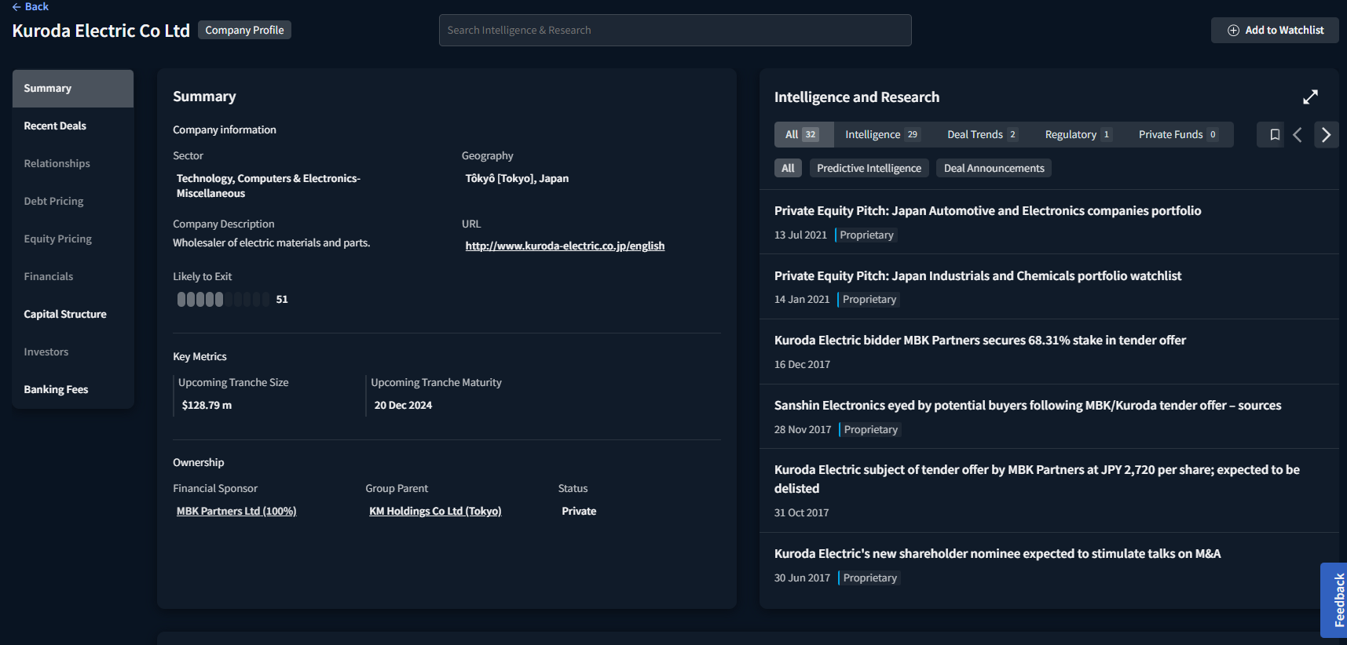

Recent Deals
Deal Id | Date | Status | Target | Acquirer | Divestor | Geography | Sector | Deal Value ($m) | Lead Banks
1181165 | 5-Oct-18 | Completed | WL Gore & Associates Inc (Hard Disk Drive Filtration Technology business, 100%) | Kuroda Electric Co Ltd | WL Gore & Associates Inc | United States | Computers & Electronics
1117435 | 22-Feb-18 | Completed | Kuroda Electric Co Ltd (100%) | MBK Partners Ltd |  | Japan | Computers & Electronics | 62 | Nomura Securities Co Ltd
1102926 | 31-Oct-17 | Completed | Kuroda Electric Co Ltd (25.15%) | Kuroda Electric Co Ltd | Office Support Co Ltd, Reno Co Ltd | Japan | Computers & Electronics | 224 | Daiwa Securities Co Ltd, Nomura Securities Co Ltd
1102810 | 31-Oct-17 | Completed | Kuroda Electric Co Ltd (68.31%) | MBK Partners Ltd |  | Japan | Computers & Electronics | 617 | Daiwa Securities Co Ltd, Nomura Securities Co Ltd
990252 | 7-Sep-15 | Completed | Ecorea & Kuroda Electric India Pvt Ltd (51%) | Ecorea Industrial Co Ltd | Kuroda Electric Co Ltd | India | Chemicals | 2
968881 | 31-Mar-15 | Completed | Kuroda Electric Co Ltd (11.51%) | C&I Holdings Co Ltd |  | Japan | Computers & Electronics | 67
910333 | 11-Mar-14 | Completed | NANKAI Enviro-Tech Corp (100%) | Kuroda Electric Co Ltd | NANKAIKOGYO Inc | United States | Chemicals
858697 | 15-Mar-13 | Completed | PT Trimitra Chitrahasta (51%) | Kuroda Electric Co Ltd |  | Indonesia | Auto/Truck
801491 | 5-Apr-12 | Completed | Kyocera Chemical (Thailand) Ltd (100%) | Kuroda Electric Co Ltd | Kyocera Corp | Thailand | Machinery
747891 | 26-May-11 | Completed | Boramtek (Vietnam) Co Ltd (51%) | Kuroda Electric Co Ltd | HiVAT Global Co Ltd | Vietnam | Auto/Truck | 6
660840 | 15-Dec-09 | Completed | Kuroda Electric Co Ltd (5.27%) | Schroder Investment Management (Japan) Ltd |  | Japan | Computers & Electronics | 27
647936 | 1-Oct-09 | Completed | Tenman Trust Co Ltd (100%) | Kuroda Electric Co Ltd |  | Japan | Real Estate/Property
647934 | 1-Oct-09 | Completed | Nichido-denko Co Ltd (69.22%) | Kuroda Electric Co Ltd |  | Japan | Computers & Electronics
617222 | 31-Mar-09 | Completed | Sophia Systems Co Ltd (100%) | Kuroda Electric Co Ltd, Sohwa Corp | Sophia Holdings Co Ltd | Japan | Computers & Electronics | 3
550744 | 22-Aug-08 | Completed | Shanghai Kyokuto Precision Electronics Ltd (16%) | Kuroda Electric Co Ltd |  | China | Computers & Electronics | 1
448255 | 27-Mar-08 | Completed | Sohwa Corp (50.2%) | Kuroda Electric Co Ltd |  | Japan | Computers & Electronics
334652 | 23-Feb-07 | Completed | TripletGate Inc (10.4%) | Sophia Systems Co Ltd, Sophia Research Institute Ltd |  | Japan | Computers & Electronics | 0
329927 | 15-Jan-07 | Completed | Miyano Machinery Inc (29.9%) | Citizen Holdings Co Ltd | Nikko Antfactory Co Ltd, Japan Endeavor Fund, Kuroda Electric Co Ltd | Japan | Machinery | 49 | Mizuho Bank Ltd, GCA Corp (Japan)
313273 | 14-Aug-06 | Completed | ARTS Technology Co Ltd (100%) | Sophia Systems Co Ltd, Sophia Research Institute Ltd | Favorina Holdings Co Ltd | Japan | Computers & Electronics | 0
262674 | 11-Apr-05 | Completed | dept Corp (13.7%) | Kuroda Electric Co Ltd |  | Japan | Computers & Electronics | 2
255269 | 5-Jan-05 | Completed | Sophia Systems Co Ltd (72.87%) | JTVU Toshijigyo Kumiai |  | Japan | Computers & Electronics | 10
292789 | 19-Mar-04 | Completed | Sophia Systems Co Ltd (52.17%) | JTVU Toshijigyo Kumiai |  | Japan | Computers & Electronics | 10
225765 | 17-Jul-03 | Completed | Komura-Tech Co Ltd (90%) | Kuroda Electric Co Ltd | Private Investor | Japan | Computers & Electronics | 14 | Daiwa Securities Co Ltd

Lotte Card Co Ltd
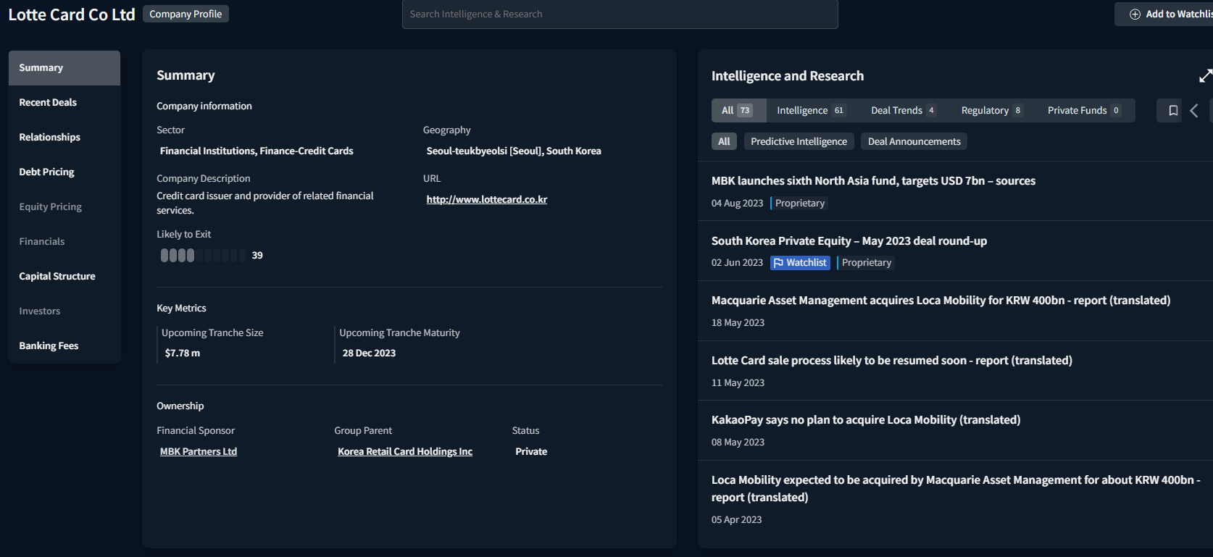

Recent Deals
Deal Id | Date | Status | Target | Acquirer | Divestor | Geography | Sector | Deal Value ($m) | Lead Banks
1330837 | 7-Apr-23 | Completed | Loca Mobility Corp (100%) | Macquarie Infrastructure & Real Assets Holdings Pty Ltd, Macquarie Korea Asset Management Co Ltd | Lotte Card Co Ltd, MBK Partners Ltd | South Korea | Finance | 304 | JP Morgan, Lazard
1303200 | 31-Mar-22 | Rumour | Lotte Card Co Ltd (60%) | Undisclosed Acquirer | MBK Partners Ltd | South Korea | Finance | 1,649 | JP Morgan
1243329 | 22-Dec-20 | Completed | Korea Credit Card Payment Co Ltd (32.5453%) | NHN KCP Corp | Hyundai Motor Co Ltd, Lotte Card Co Ltd | South Korea | Computers & Electronics | 5
1176214 | 28-Jun-19 | Completed | Lotte Card Co Ltd (20%) | Lotte Shopping Co Ltd | Lotte Corp | South Korea | Finance | 284
1093646 | 27-May-19 | Completed | Lotte Card Co Ltd (79.8298%) | Woori Bank, MBK Partners Ltd | Lotte Corp | South Korea | Finance | 1,165 | Citi, PricewaterhouseCoopers LLP, Samsung Securities Co Ltd, UBS
1098395 | 12-Mar-18 | Completed | Technological & Commercial Finance - TechComFinance (100%) | Lotte Group, Lotte Card Co Ltd | Vietnam Technological & Commercial Joint Stock Bank | Vietnam | Finance | 76 | Ernst & Young
1098597 | 28-Sep-17 | Completed | eB Card Co Ltd (5%) | Lotte Group, Lotte Card Co Ltd | Lotte Data Communication Co | South Korea | Finance | 4
625120 | 13-May-10 | Completed | EB Corp (Transporation card device business, 100%) | Lotte Card Co Ltd, Lotte Data Communication Co | EB Corp | South Korea | Computers & Electronics | 132 | Deloitte & Touche LLP
636922 | 19-Aug-09 | Completed | Mybi Co Ltd (50.03%) | Lotte Data Communication Co, Lotte Card Co Ltd | UTC Investment Co Ltd | South Korea | Computers & Electronics | 53
602196 | 19-Dec-08 | Completed | Cosmo Investment Management Co Ltd (21%) | Lotte Group, Lotte Card Co Ltd, Lotte Shopping Co Ltd | Sparx Group Co Ltd | South Korea | Finance | 49
216903 | 25-Aug-03 | Completed | Lotte Department Store (credit card operation, 100%) | Lotte Card Co Ltd | Lotte Department Store | South Korea | Finance
194042 | 24-Sep-02 | Completed | Tong Yang Card Corp (100%) | Lotte Group | Tong Yang Group | South Korea | Finance | 147 | Morgan Stanley
189981 | 23-Jul-02 | Not Pursued | Tong Yang Card Corp | Standard Chartered plc |  | South Korea | Finance

